ypr2quat
Yaw | Pitch | Roll | W | X | Y | Z | desc | comment | LINE | millis() | Label | Channel | w2 | x2 | y2 | z2 | double cy = cos(yaw * 0.5);
0 | 0 | 0 | 1 | 0 | 0 | 0 | level |  | 932 | 1000 | DATA | L | 1.00 | 0.00 | 0.00 | 0.00 | double sy = sin(yaw * 0.5);
90 | 0 | 0 | 0.70710678119 | 0 | 0 | 0.70710678119 | hard right, level | rotate in x plane | 932 | 2000 | DATA | L | 0.71 | 0.00 | 0.00 | 0.71 | double cp = cos(pitch * 0.5);
180 | 0 | 0 | 6.1257422745E-17 | 0 | 0 | 1 | 180 deg back, level | rotate in x plane | 932 | 3000 | DATA | L | 0.00 | 0.00 | 0.00 | 1.00 | double sp = sin(pitch * 0.5);
270 | 0 | 0 | -0.70710678119 | 0 | 0 | 0.70710678119 | hard left, level | rotate in x plane | 932 | 4000 | DATA | L | -0.71 | 0.00 | 0.00 | 0.71 | double cr = cos(roll * 0.5);
0 | 90 | 0 | 0.70710678119 | 0 | -0.70710678119 | 0 | nose up 90, level | rotate in y plane | 932 | 5000 | DATA | L | 0.71 | 0.00 | -0.71 | 0.00 | double sr = sin(roll * 0.5);
0 | 180 | 0 | 6.1257422745E-17 | 0 | -1 | 0 | upside down, level | rotate in y plane | 932 | 6000 | DATA | L | 0.00 | 0.00 | -1.00 | 0.00
0 | 270 | 0 | -0.70710678119 | 0 | -0.70710678119 | 0 | nose down 90, level | rotate in y plane | 932 | 7000 | DATA | L | -0.71 | 0.00 | -0.71 | 0.00 | Quaternion q;
0 | 0 | 90 | 0.70710678119 | 0.70710678119 | 0 | 0 | roll right 90 | rotate in z plane | 932 | 8000 | DATA | L | 0.71 | 0.71 | 0.00 | 0.00 | q.w = cy * cp * cr + sy * sp * sr;
0 | 0 | 180 | 6.1257422745E-17 | 1 | 0 | 0 | upside down, level | rotate in z plane | 932 | 9000 | DATA | L | 0.00 | 1.00 | 0.00 | 0.00 | q.x = cy * cp * sr - sy * sp * cr;
0 | 0 | 270 | -0.70710678119 | 0.70710678119 | 0 | 0 | roll left | rotate in z plane | 932 | 10000 | DATA | L | -0.71 | 0.71 | 0.00 | 0.00 | q.y = sy * cp * sr + cy * sp * cr;
 |  |  | 1 | 0 | 0 | 0 |  |  | 932 |  | DATA |  | 1.00 |  |  |  | q.z = sy * cp * cr - cy * sp * sr;
 |  |  | 1 | 0 | 0 | 0 |  |  | 932 |  | DATA |  | 1.00
 |  |  | 1 | 0 | 0 | 0 |  |  | 932 |  | DATA |  | 1.00
 |  |  | 1 | 0 | 0 | 0 |  |  | 932 |  | DATA |  | 1.00
 |  |  | 1 | 0 | 0 | 0 |  |  | 932 |  | DATA |  | 1.00
 |  |  | 1 | 0 | 0 | 0 |  |  | 932 |  | DATA |  | 1.00
 |  |  | 1 | 0 | 0 | 0 |  |  | 932 |  | DATA |  | 1.00
 |  |  | 1 | 0 | 0 | 0 |  |  | 932 |  | DATA |  | 1.00
 |  |  | 1 | 0 | 0 | 0 |  |  | 932 |  | DATA |  | 1.00
 |  |  | 1 | 0 | 0 | 0 |  |  | 932 |  | DATA |  | 1.00
 |  |  | 1 | 0 | 0 | 0 |  |  | 932 |  | DATA |  | 1.00
 |  |  | 1 | 0 | 0 | 0 |  |  | 932 |  | DATA |  | 1.00
 |  |  | 1 | 0 | 0 | 0 |  |  | 932 |  | DATA |  | 1.00
 |  |  | 1 | 0 | 0 | 0 |  |  | 932 |  | DATA |  | 1.00
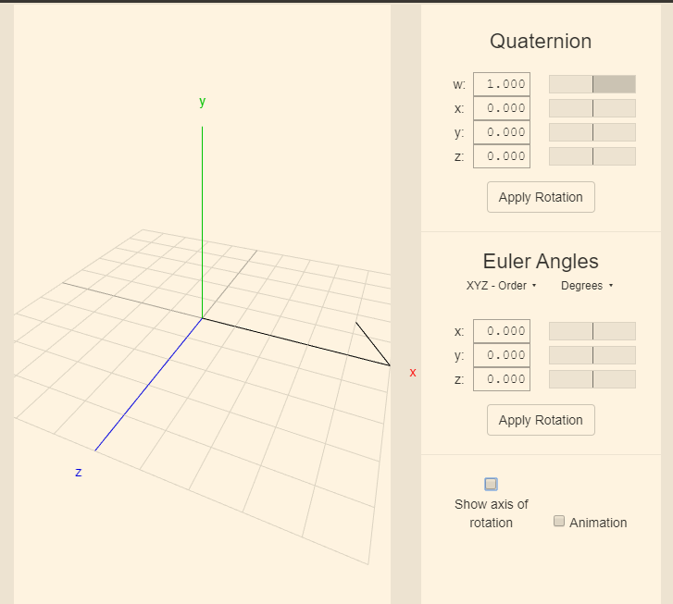
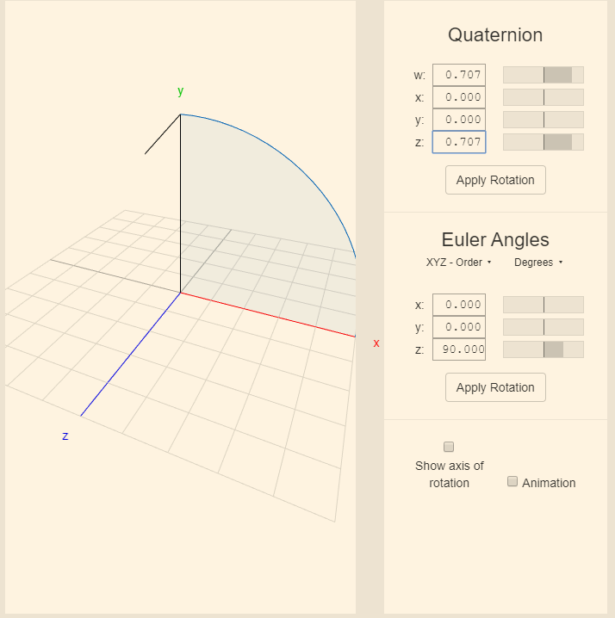
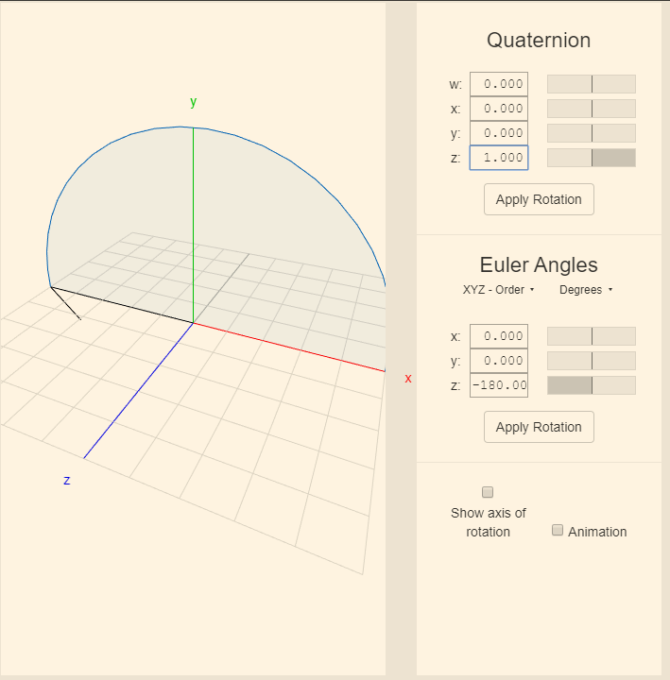
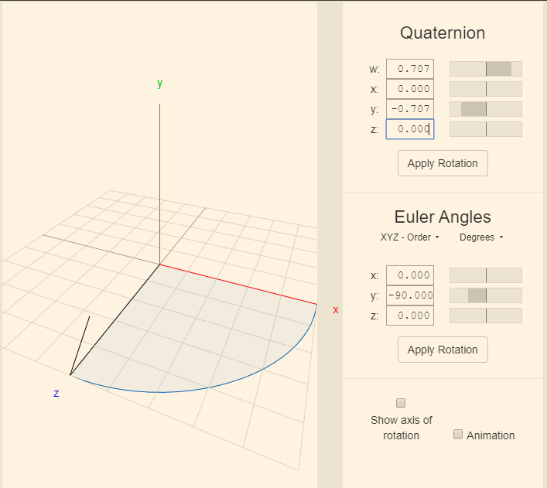
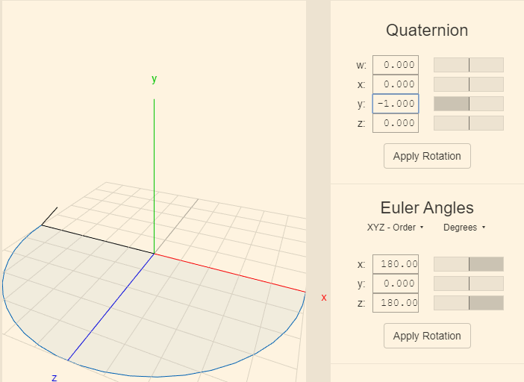
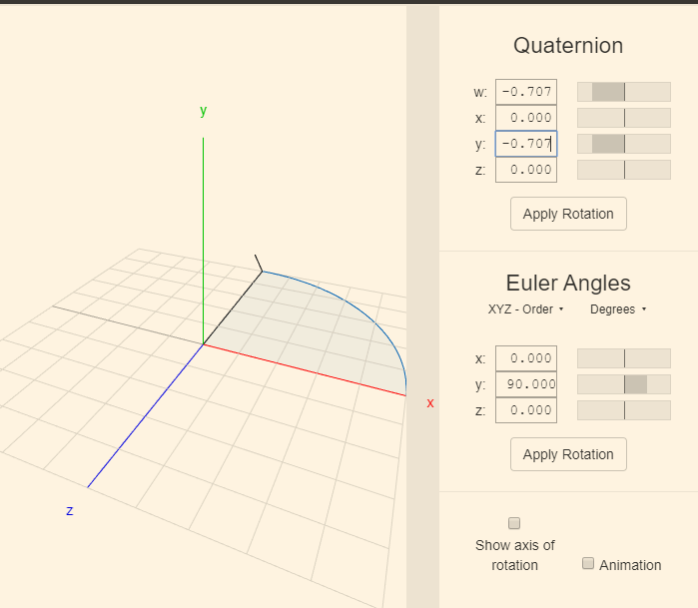
 |  |  | 1 | 0 | 0 | 0 |  |  | 932 |  | DATA |  | 1.00
 |  |  | 1 | 0 | 0 | 0 |  |  | 932 |  | DATA |  | 1.00
 |  |  | 1 | 0 | 0 | 0 |  |  | 932 |  | DATA |  | 1.00
 |  |  | 1 | 0 | 0 | 0 |  |  | 932 |  | DATA |  | 1.00
 |  |  | 1 | 0 | 0 | 0 |  |  | 932 |  | DATA |  | 1.00
 |  |  | 1 | 0 | 0 | 0 |  |  | 932 |  | DATA |  | 1.00
 |  |  | 1 | 0 | 0 | 0 |  |  | 932 |  | DATA |  | 1.00
 |  |  | 1 | 0 | 0 | 0 |  |  | 932 |  | DATA |  | 1.00
 |  |  | 1 | 0 | 0 | 0 |  |  | 932 |  | DATA |  | 1.00

